Sheet2
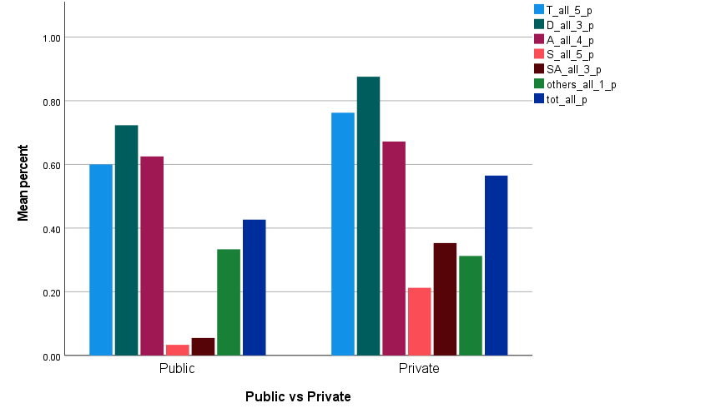
 |  |  |  |  |  |  |  |  |  | 표준편차 | 23.3% | 38.3% | 25.4% | 20.0% | 33.3% | 47.9% | 14.2% | Fig 2. Comparison of the average number of the educational activities included in each category according to the type of medical schools (A) and the number of faculty (B). Development: Development of education products, Administration: Education administration and service, Scholarship
 |  |  |  |  |  |  |  |  |  | 표준편차 | 12.6% | 38.9% | 20.9% | 8.2% | 13.5% | 51.6% | 13.0%
 |  |  |  |  |  |  |  |  |  | 표준편차 | 22.0% | 38.1% | 23.8% | 19.2% | 31.9% | 47.7% | 15.0%
Teaching Development Administration Scholarship Student_affairs Others Total * 국공립
국공립 |  | Teaching | Development | Administration | Scholarship | Student_affairs | Others | Total | 국공립 |  | Teaching | Development | Administration | Scholarship | Student_affairs | Others | Total
사립 | 평균 | 0.7625 | 0.8756 | 0.6719 | 0.2125 | 0.3531 | 0.3125 | 0.5650 | Private | 평균 | 76.3% | 87.6% | 67.2% | 21.3% | 35.3% | 31.3% | 56.5%
 | 표준편차 | 0.23345 | 0.38252 | 0.25362 | 0.19958 | 0.33316 | 0.47871 | 0.14236
공립 | 평균 | 0.6000 | 0.7233 | 0.6250 | 0.0333 | 0.0550 | 0.3333 | 0.4267 | Public | 평균 | 60.0% | 72.3% | 62.5% | 3.3% | 5.5% | 33.3% | 42.7%
 | 표준편차 | 0.12649 | 0.38950 | 0.20917 | 0.08165 | 0.13472 | 0.51640 | 0.12987
전체 | 평균 | 0.7182 | 0.8341 | 0.6591 | 0.1636 | 0.2718 | 0.3182 | 0.5273 | Total | 평균 | 71.8% | 83.4% | 65.9% | 16.4% | 27.2% | 31.8% | 52.7%
 | 표준편차 | 0.21960 | 0.38138 | 0.23837 | 0.19160 | 0.31949 | 0.47673 | 0.14989

Teaching Development Administration Scholarship Student_affairs Others Total * 교원수
교원수 |  | Teaching | Development | Administration | Scholarship | Student_affairs | Others | Total | Teaching | Development | Administration | Scholarship | Student_affairs | Others | Total
100명 이내 | 평균 | 0.7000 | 0.8338 | 0.5625 | 0.1500 | 0.2488 | 0.2500 | 0.4988 | 70.0% | 83.4% | 56.3% | 15.0% | 24.9% | 25.0% | 49.9%
 | 표준편차 | 0.18516 | 0.25230 | 0.17678 | 0.14142 | 0.23588 | 0.46291 | 0.04883 | 18.5% | 25.2% | 17.7% | 14.1% | 23.6% | 46.3% | 4.9%
101-200 | 평균 | 0.6286 | 1.0014 | 0.6429 | 0.1429 | 0.2371 | 0.5714 | 0.5371 | 62.9% | 100.1% | 64.3% | 14.3% | 23.7% | 57.1% | 53.7%
 | 표준편차 | 0.21381 | 0.47023 | 0.24398 | 0.22254 | 0.37062 | 0.53452 | 0.17298 | 21.4% | 47.0% | 24.4% | 22.3% | 37.1% | 53.5% | 17.3%
201-300 | 평균 | 0.6000 | 1.0000 | 0.7500 | 0.0000 | 0.0000 | 1.0000 | 0.5200 | 60.0% | 100.0% | 75.0% | 0.0% | 0.0% | 100.0% | 52.0%
 | 표준편차
301-400 | 평균 | 1.0000 | 0.8350 | 1.0000 | 0.4000 | 0.6650 | 0.0000 | 0.7350 | 100.0% | 83.5% | 100.0% | 40.0% | 66.5% | 0.0% | 73.5%
 | 표준편차 | 0.00000 | 0.23335 | 0.00000 | 0.28284 | 0.47376 | 0.00000 | 0.03536 | 0.0% | 23.3% | 0.0% | 28.3% | 47.4% | 0.0% | 3.5%
401-500 | 평균 | 0.8000 | 0.5000 | 0.6875 | 0.1500 | 0.2500 | 0.0000 | 0.4650 | 80.0% | 50.0% | 68.8% | 15.0% | 25.0% | 0.0% | 46.5%
 | 표준편차 | 0.28284 | 0.43120 | 0.31458 | 0.19149 | 0.32031 | 0.00000 | 0.23473 | 28.3% | 43.1% | 31.5% | 19.1% | 32.0% | 0.0% | 23.5%
전체 | 평균 | 0.7182 | 0.8341 | 0.6591 | 0.1636 | 0.2718 | 0.3182 | 0.5273 | 71.8% | 83.4% | 65.9% | 16.4% | 27.2% | 31.8% | 52.7%
 | 표준편차 | 0.21960 | 0.38138 | 0.23837 | 0.19160 | 0.31949 | 0.47673 | 0.14989 | 22.0% | 38.1% | 23.8% | 19.2% | 31.9% | 47.7% | 15.0%

보고서
faculty123 |  | Teaching | Development | Administration | Scholarship | Student_affairs | Others | Total | faculty123 |  | Teaching | Development | Administration | Scholarship | Student_affairs | Others | Total
100~200 | 평균 | 0.7000 | 0.8338 | 0.5625 | 0.1500 | 0.2488 | 0.2500 | 0.4988 | 100~200 | 평균 | 70.0% | 83.4% | 56.3% | 15.0% | 24.9% | 25.0% | 49.9%
 | N | 8 | 8 | 8 | 8 | 8 | 8 | 8 |  | N | 800.0% | 800.0% | 800.0% | 800.0% | 800.0% | 800.0% | 800.0%
 | 표준편차 | 0.18516 | 0.25230 | 0.17678 | 0.14142 | 0.23588 | 0.46291 | 0.04883 |  | 표준편차 | 18.5% | 25.2% | 17.7% | 14.1% | 23.6% | 46.3% | 4.9%
201~300 | 평균 | 0.6286 | 0.8586 | 0.6429 | 0.1429 | 0.2371 | 0.5714 | 0.5371 | 201~300 | 평균 | 62.9% | 85.9% | 64.3% | 14.3% | 23.7% | 57.1% | 53.7%
 | N | 7 | 7 | 7 | 7 | 7 | 7 | 7 |  | N | 700.0% | 700.0% | 700.0% | 700.0% | 700.0% | 700.0% | 700.0%
 | 표준편차 | 0.21381 | 0.17639 | 0.24398 | 0.22254 | 0.37062 | 0.53452 | 0.17298 |  | 표준편차 | 21.4% | 17.6% | 24.4% | 22.3% | 37.1% | 53.5% | 17.3%
300~ | 평균 | 0.8286 | 0.6671 | 0.7857 | 0.2000 | 0.3329 | 0.1429 | 0.5500 | 300~ | 평균 | 82.9% | 66.7% | 78.6% | 20.0% | 33.3% | 14.3% | 55.0%
 | N | 7 | 7 | 7 | 7 | 7 | 7 | 7 |  | N | 700.0% | 700.0% | 700.0% | 700.0% | 700.0% | 700.0% | 700.0%
 | 표준편차 | 0.24300 | 0.38539 | 0.26726 | 0.23094 | 0.38539 | 0.37796 | 0.21008 |  | 표준편차 | 24.3% | 38.5% | 26.7% | 23.1% | 38.5% | 37.8% | 21.0%
전체 | 평균 | 0.7182 | 0.7886 | 0.6591 | 0.1636 | 0.2718 | 0.3182 | 0.5273 | Total | 평균 | 71.8% | 78.9% | 65.9% | 16.4% | 27.2% | 31.8% | 52.7%
 | N | 22 | 22 | 22 | 22 | 22 | 22 | 22 |  | N | 2200.0% | 2200.0% | 2200.0% | 2200.0% | 2200.0% | 2200.0% | 2200.0%
 | 표준편차 | 0.21960 | 0.28261 | 0.23837 | 0.19160 | 0.31949 | 0.47673 | 0.14989 |  | 표준편차 | 22.0% | 28.3% | 23.8% | 19.2% | 31.9% | 47.7% | 15.0%

